Entry
Data Entry, Data Types & Autofill
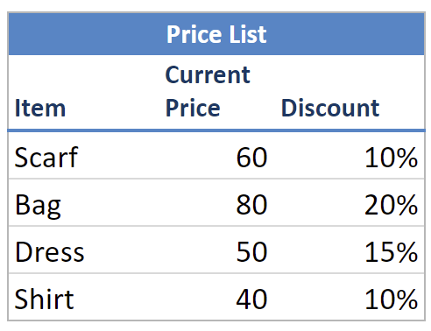
Sales Information Year 2020 |  |  |  |  | Price List
Index | Date | Product | Sales | Quantity | Item | Current Price | Discount
1 | 2020-02-01 |  | 20 | 10 | Scarf | 60 | 10%
2 | 2020-02-02 |  | 30 | 20 | Bag | 80 | 20%
3 | 2020-02-03 |  | 30 | 20 | Dress | 50 | 15%
4 | 2020-02-04 |  | 10 | 20 | Shirt | 40 | 10%
5 | 2020-02-05
6 | 2020-02-06
7 | 2020-02-07
8 | 2020-02-08
9 | 2020-02-09
10 | 2020-02-10

